A.600 Cek Rekening Koran Anak
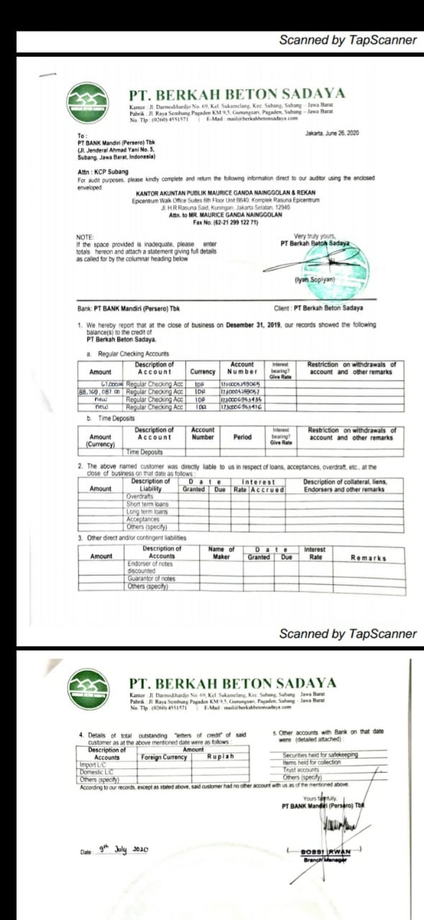
Client | : PT Indo American Seafoods Tbk dan Entitas Anak | Prepared by | : IRA | Date : | 17-Mar-25
Account | : Cash and Cash Equivalents | Reviewed by | : KNW | Date : | 19-Mar-25
Period | : 31 Desember 2024 | Approved by | : MGN | Date : | 21-Mar-25
Index | : A. 600 Cek Rekening Koran Anak

 | Bank Statements

